OC
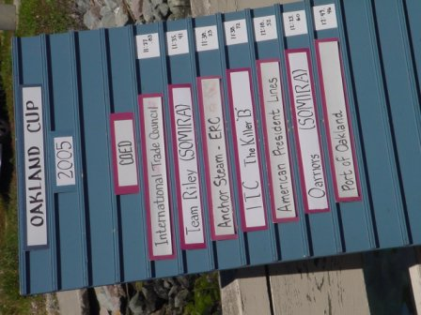
Oakland Cup

Mixed (Co-Ed) Division:
1 - ITC ('A' Team) (11:27.83)
2 - Team Riley (SOMIRA) (11:35.41)
3 - ERC (11:38.23)
4 - ITC (The Killer 'B') (11:38.72)
5 - APL (12:18.52)
6 - Oarriors (SOMIRA) (12:23.60)
7 - Port of Oakland (12:49.46)
Women's Division:
1 - ERC (12:16.29)
2 - ITC (12:32.16)
3 - Las Sirenas (12:37.93)
4 - APL (12:52.81)
5 - Funatics (SOMIRA) (12:57.53)
6 - Ketos (13:38.74)
7 - Channel Cats (SOMIRA) (14:13.73)
Men's Division:
1 - 60 Minute Men (SOMIRA) (11:05.10)
2 - ERC (11:11.01)
3 - S.O.M.I.R.A (11:11.25)
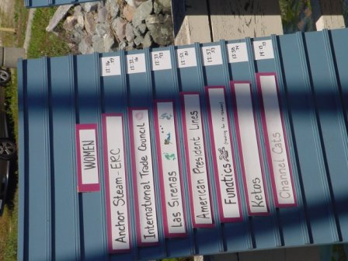
4 - ITC (11:34.83)
5 - Sea Scouts (12:39.28)

